Notes
Instructions for completion of Planner postback templates

General
1 | This workbook has two templates for the loading of Project budgets. There are two templates, one for PBFEC budgets and one for PBPRICE budgets.
2 | Always work from an empty template. Ensure that you save any data as you go.
3 | The hidden rows at the top of each template should never be unhidden and must never be changed.
4 | Data should be entered in the white fields only.

RSO
1 | Complete the RSO BIF template as normal. (ONLY DIFFERENCE IS RUN 'RSO ALL PLANNER BUDGETS BY STATUS' INSTEAD OF 'ROSS ALL AGRESSO BUDGETS')
2 | Open the empty 'Planner _postback_RSO.xlsm' template workbook.
3 | Log in to Excelerator. This is necessary to use Planner postback.
4 | Column by column, copy the data from the RSO BIF template to the appropriate column on the RSO Planner template. When pasting project values be sure to use 'paste values'. Check number of rows copied is same number of rows on original upload sheet.
5 | Post the sheet by selecting :
 | Add-Ins
 | Agresso Excelerator
 | Post
 | Current Sheet
6 | The Agresso Report Engine will run. If there are any errors e.g period completed where version completed, invalid value an appropriate error message will be displayed. The sheet should then be corrected and re-posted.
7 | If there are no errors a dialogue box will be displayed:

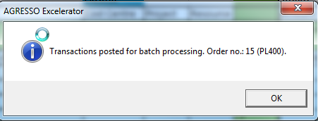

8 | Go to Agresso, maintenance of ordered reports and monitor the PL400 report against your user name until it has completed
9 | Double click on the report and check the report for errors.
10 | Run 'Planner Transaction Load Check' (input Agresso user and upload date) report to check the loaded budgets . Check figures and number of rows the same.

